Values & Beliefs


Great place to work
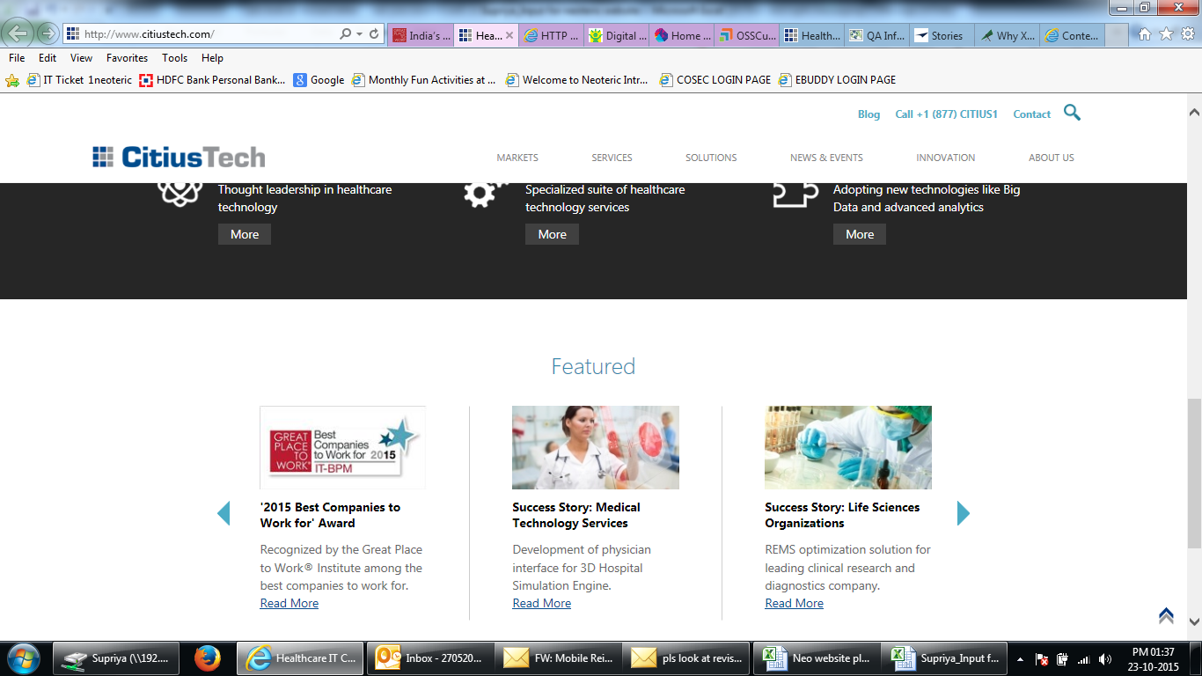
Neoteric is identified and recognised ‘ India’s Top 50 Best IT–BPM Companies to Work for’
first IT-BPM study conducted by Great Place to Work® Institute in association with NASSCOM. Around 149, organisations in the IT-BPM industry participated in the study this year making it one of the largest studies in the country for your industry.

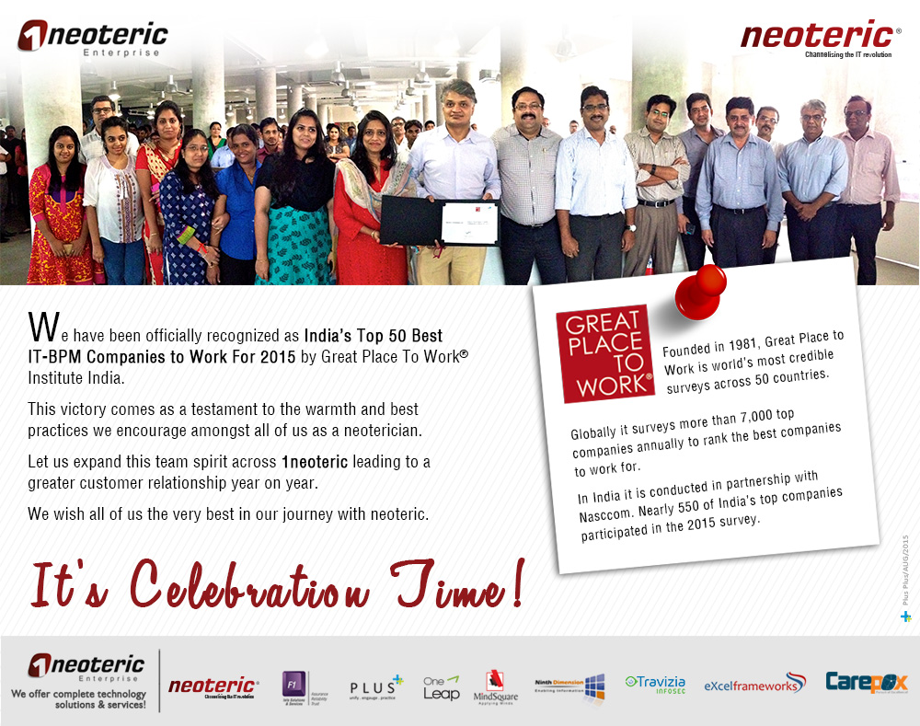

Testimonial Video Link:
Y:\Marcom\NANDIT\GPTW Testimonial Videos

Some sample views of other website:

